Sheet1
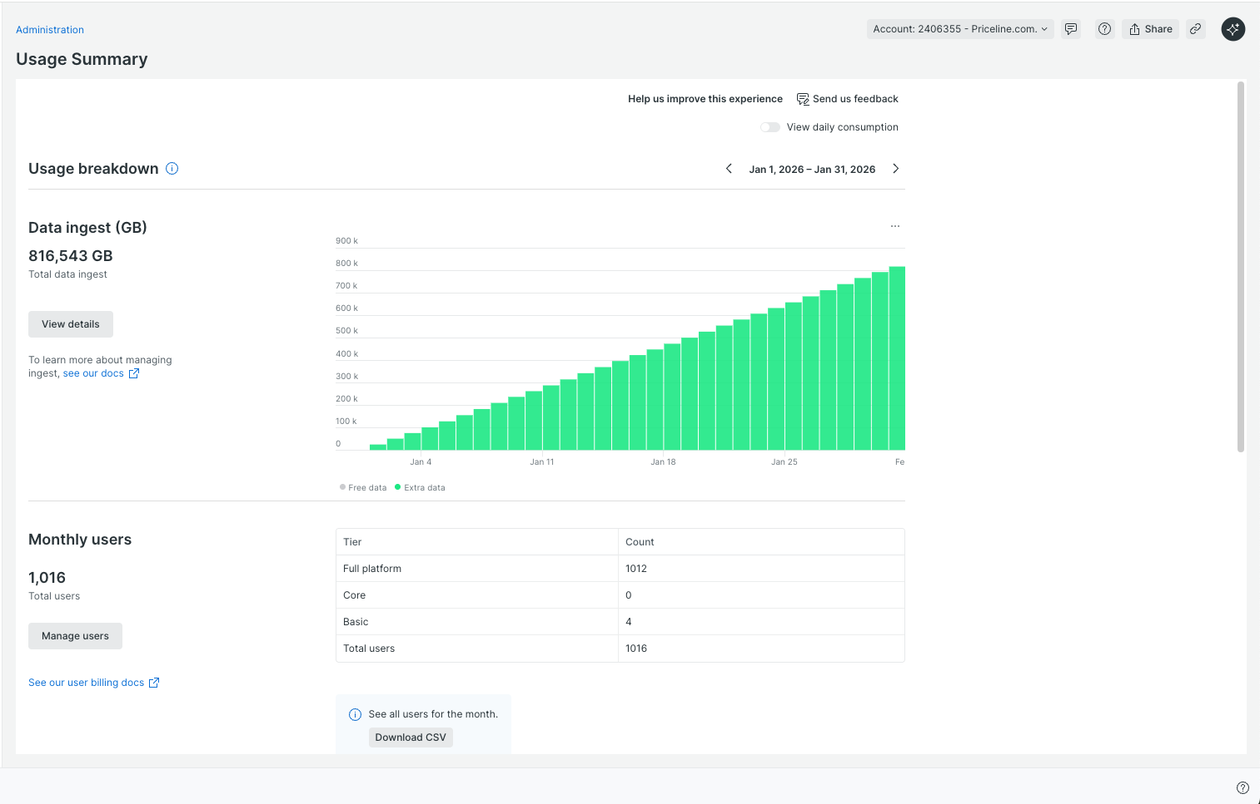
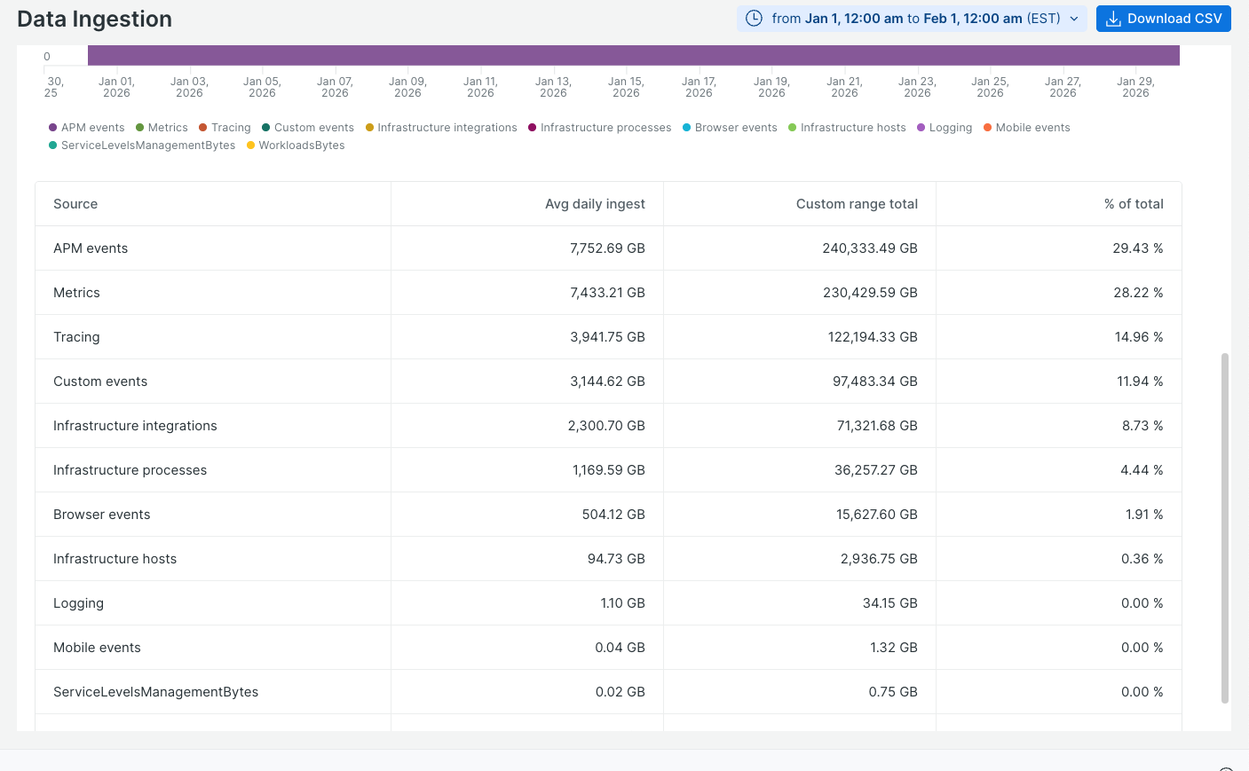
200.22

 | Metrics | 7433 | Metrics
 | Infrastructure Integrations | 2300 | Metrics
 | APM events | 7753 | Traces
 | Logging | 1 | Logs
 | Tracing | 3942 | Traces
 | Infrastructure Hosts | 95 | Metrics
 | Infrastrucure Processes | 1170 | Metrics
 | Custom events | 3145 | Traces
 | Serverless | 0 | Logs
 | Browser events | 504 | RUM

 | Logs | 1
 | Metrics | 10998 | 10,998,000 | <- numseries
 | Traces | 14840
 | RUM | 504

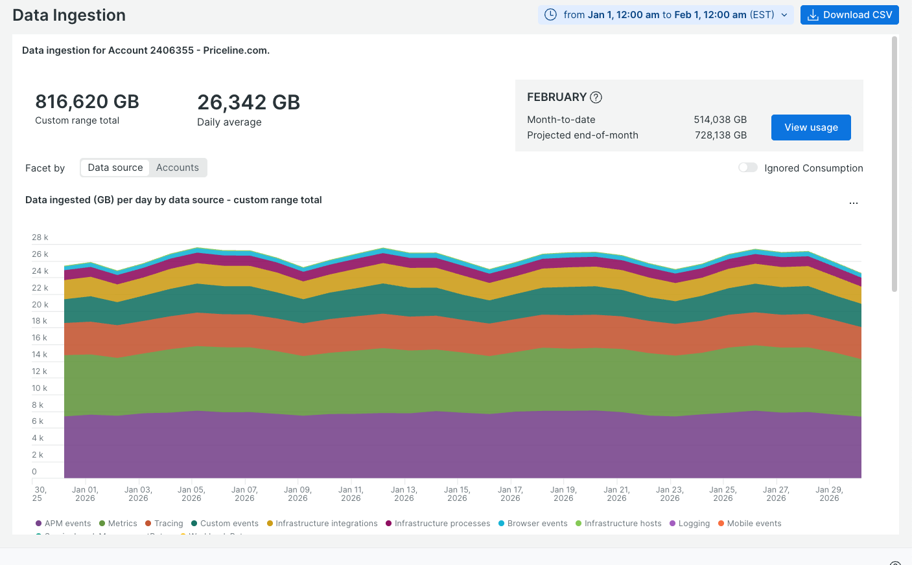

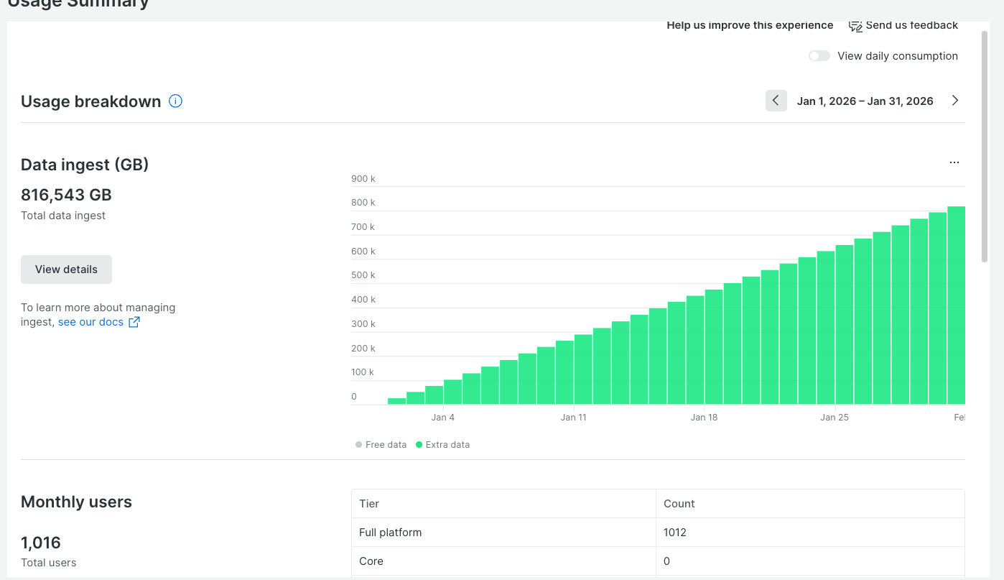

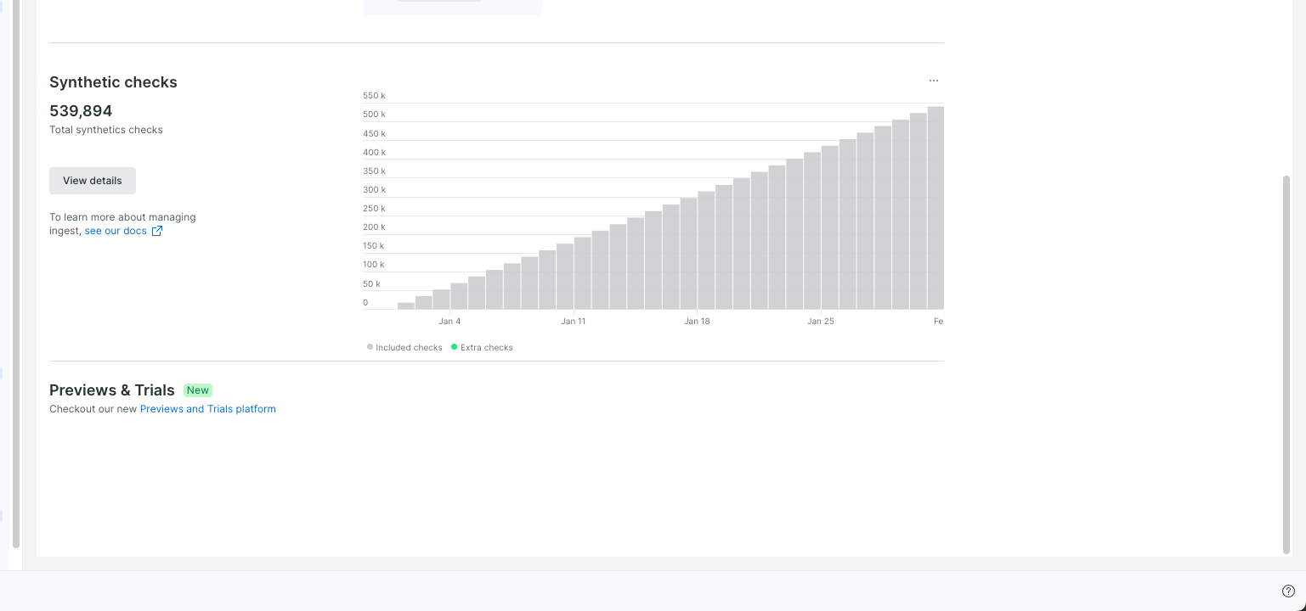

 |  | Same as below ?

